Test Result(A1)
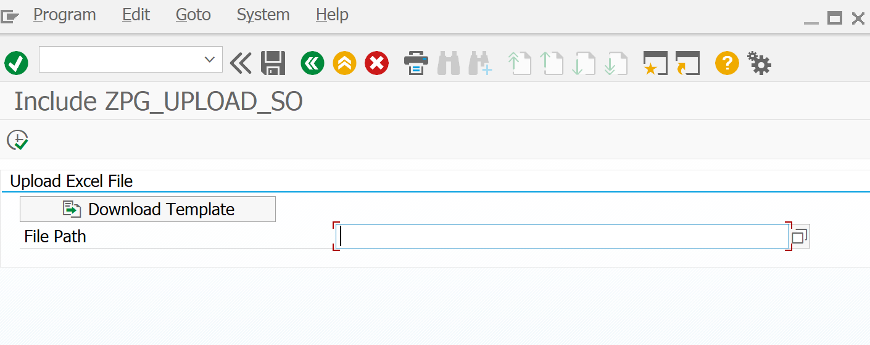
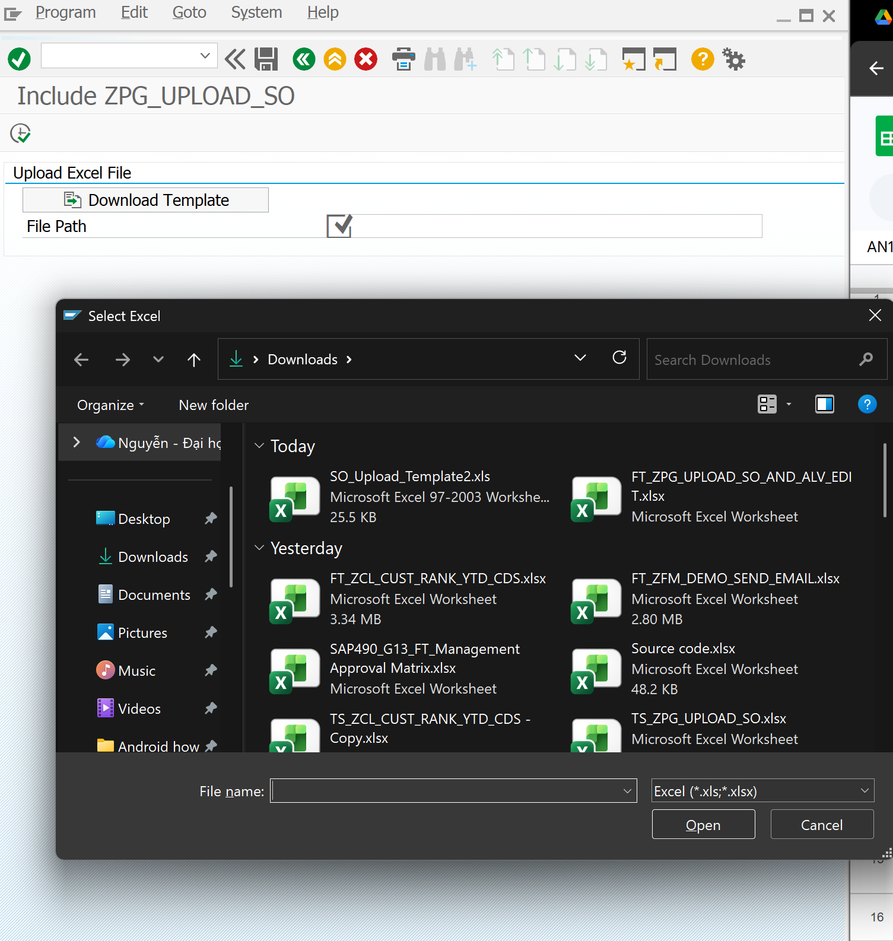
Function ID | Function Name | Created/Updated by | Created date | Reviewed by | Reviewed Date
ZPG_UPLOAD_SO / ZPG_SO_ALV_EDIT | Upload Sales Order and Edit ALV | DatNV | 2026-04-25 | DatNV | 2026-04-30

Execution Evidence | Section A1 execution screenshots / logs - template download and file selection
Use this sheet to paste screenshots, logs, DB verification output, or email evidence during SIT/UAT.

Test Result(A2)
Function ID |  | Function Name | Created/Updated by | Created date | Reviewed by | Reviewed Date
ZPG_UPLOAD_SO / ZPG_SO_ALV_EDIT |  | Upload Sales Order and Edit ALV | DatNV | 2026-04-25 | DatNV | 2026-04-30

Execution Evidence |  | Section A2 execution screenshots / logs - upload execution, request ID, DB insert, job submit
Use this sheet to paste screenshots, logs, DB verification output, or email evidence during SIT/UAT.
 | Data Test

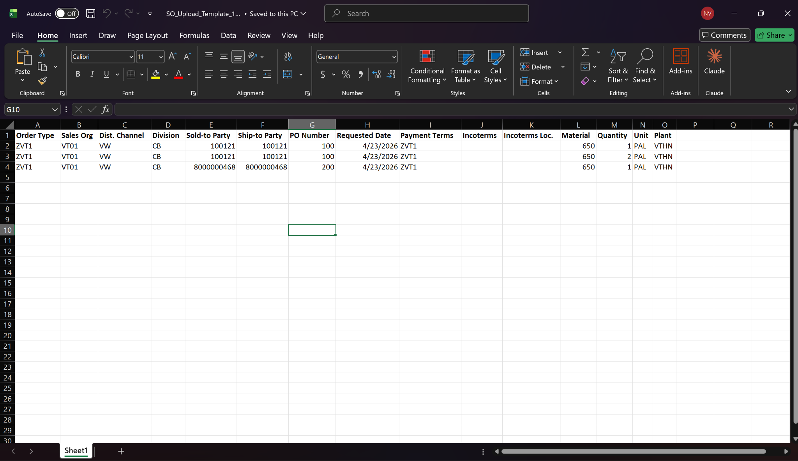

 | 2

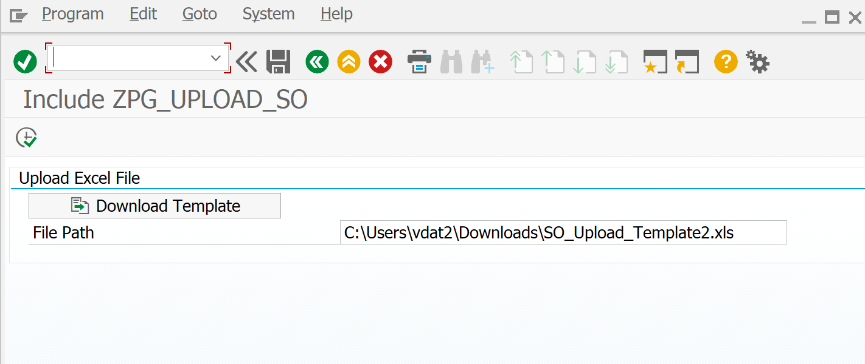

 | 3

Test Result(B2)
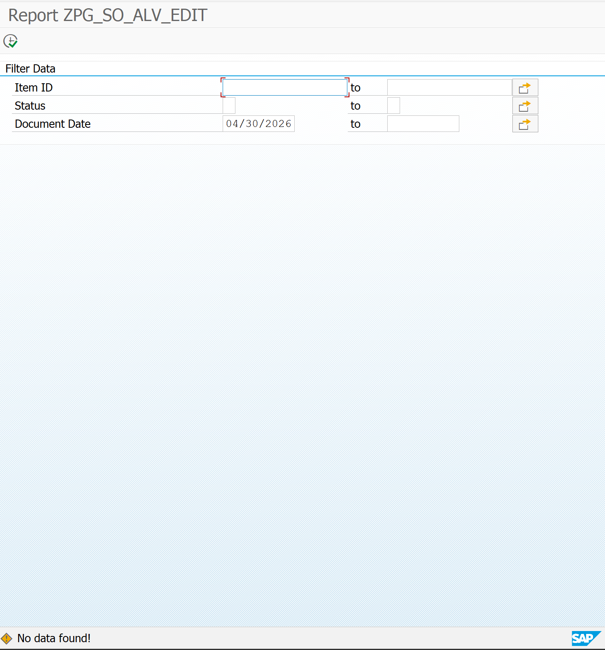
Function ID | Function Name | Created/Updated by | Created date | Reviewed by | Reviewed Date
ZPG_UPLOAD_SO / ZPG_SO_ALV_EDIT | Upload Sales Order and Edit ALV | DatNV | 2026-04-25 | DatNV | 2026-04-30

Execution Evidence | Section B2 execution screenshots / logs - ALV loading, status icon, posted-line edit lock
Use this sheet to paste screenshots, logs, DB verification output, or email evidence during SIT/UAT.

Test Result(B3)
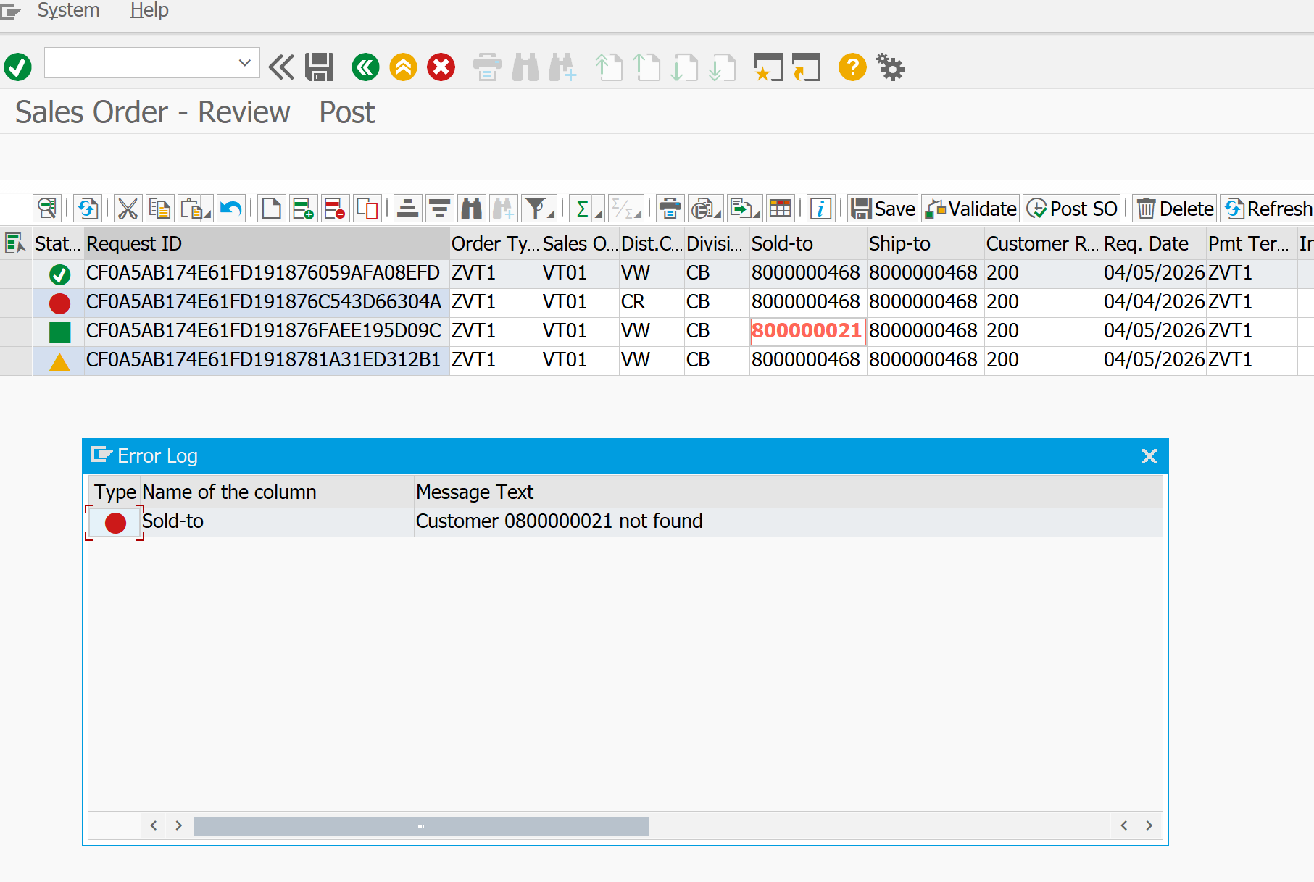
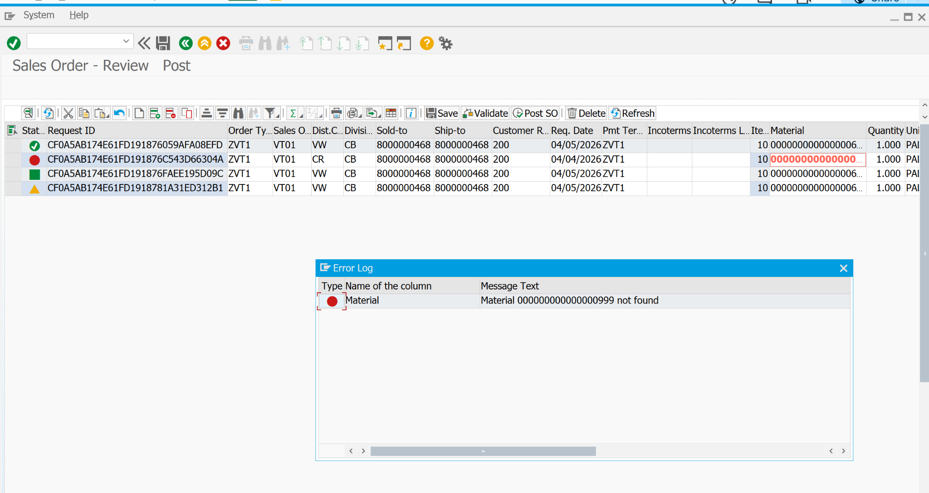
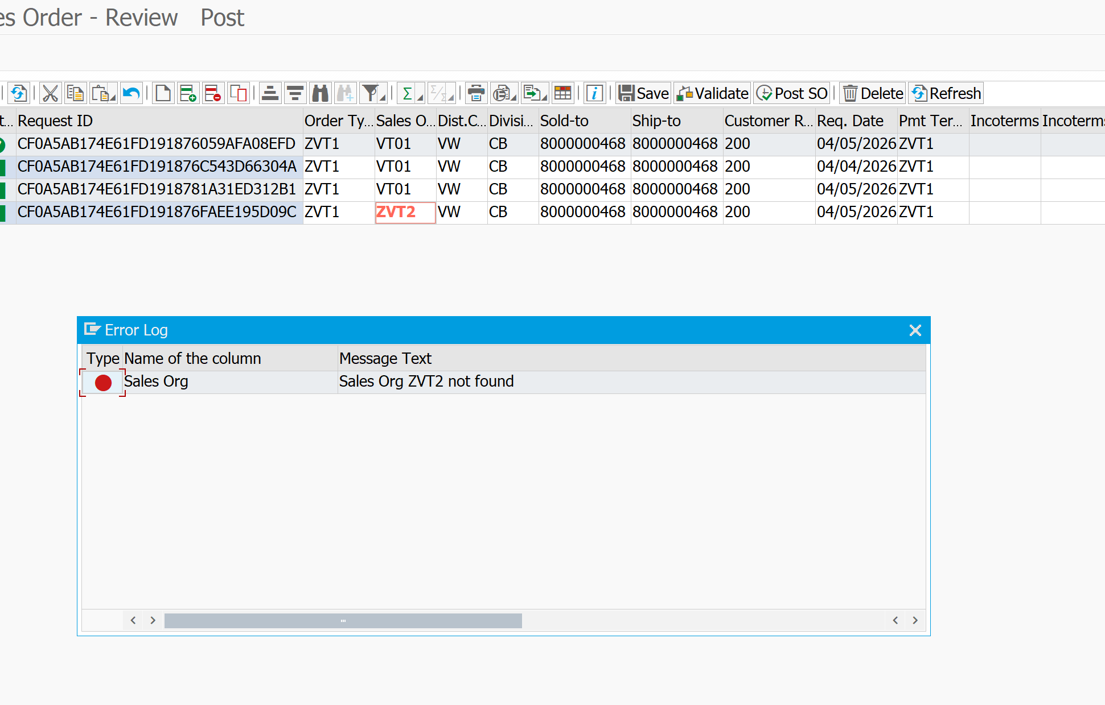
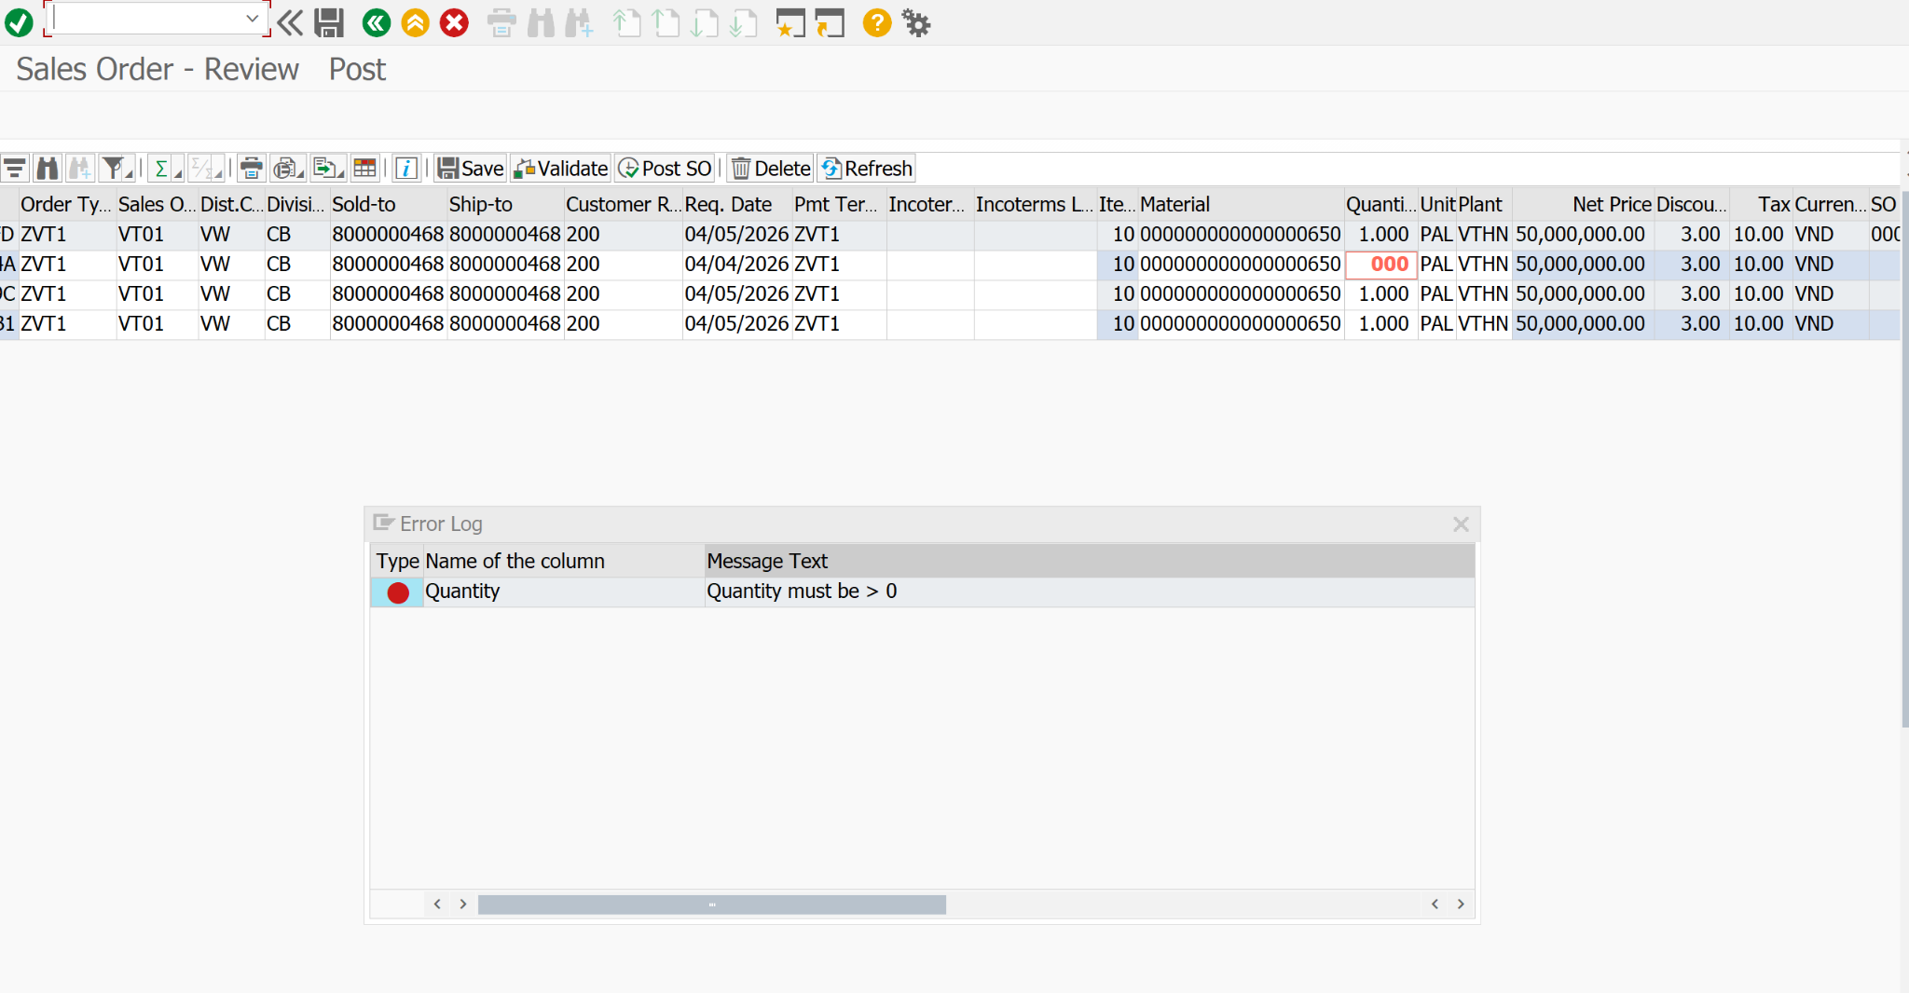
Function ID | Function Name | Created/Updated by | Created date | Reviewed by | Reviewed Date
ZPG_UPLOAD_SO / ZPG_SO_ALV_EDIT | Upload Sales Order and Edit ALV | DatNV | 2026-04-25 | DatNV | 2026-04-30

Execution Evidence | Section B3 execution screenshots / logs - real-time validation messages for edited cells
Use this sheet to paste screenshots, logs, DB verification output, or email evidence during SIT/UAT.

Test Result(B4)
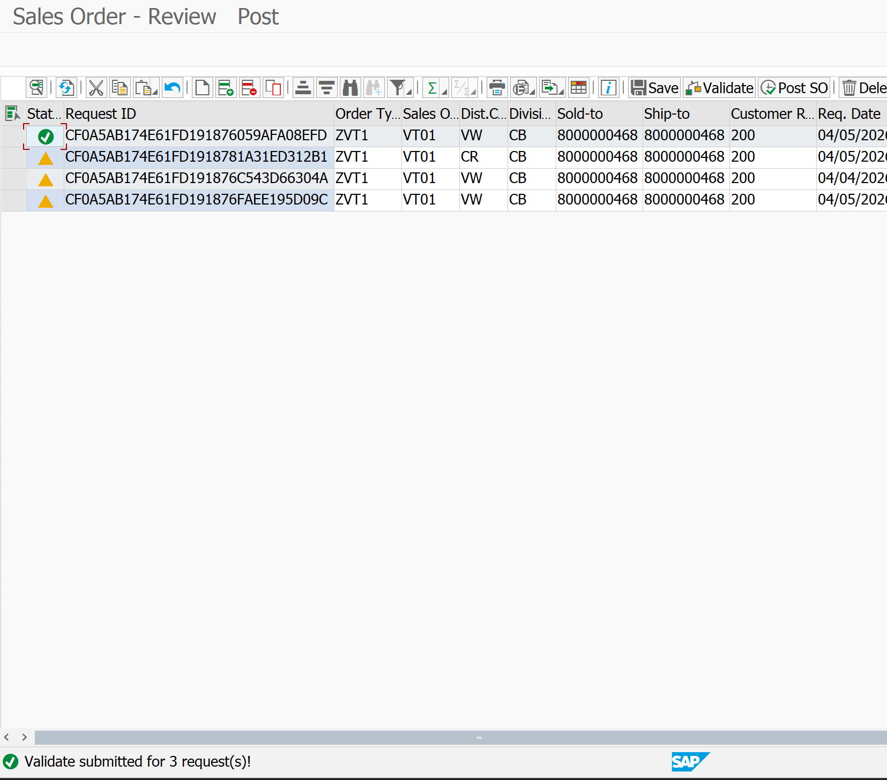
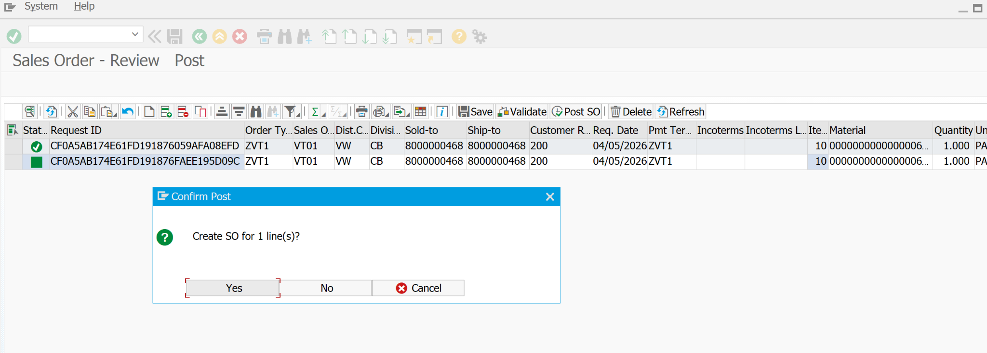
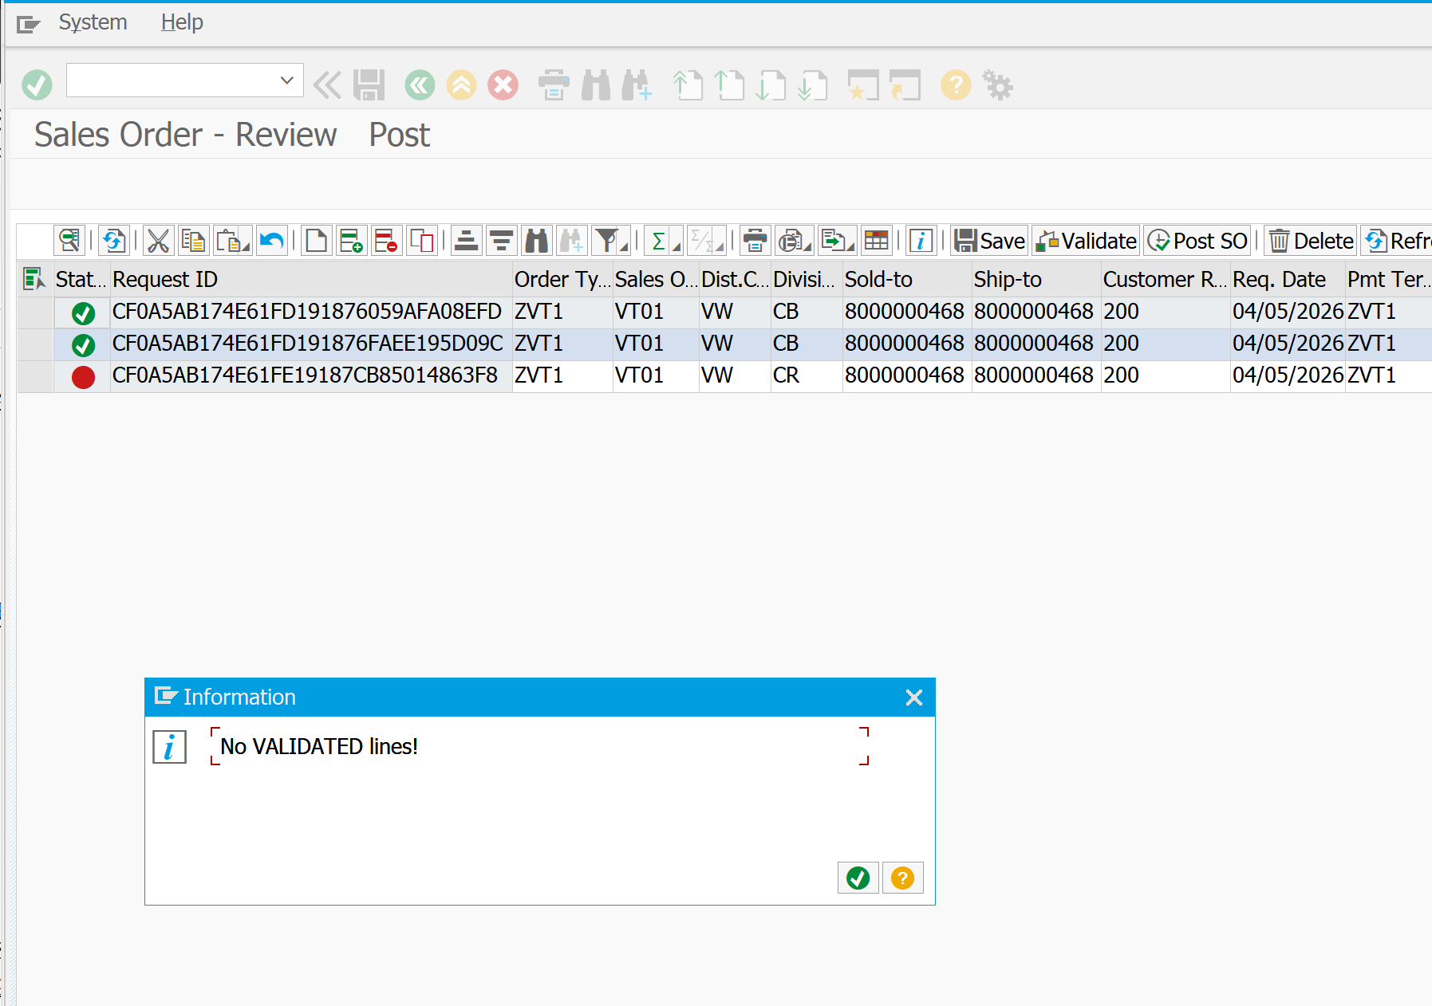
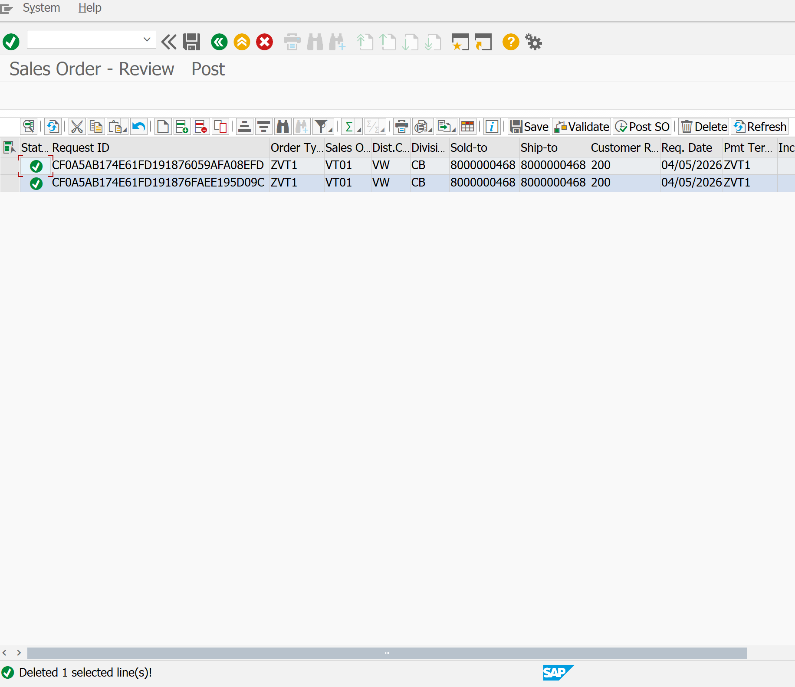
Function ID | Function Name | Created/Updated by | Created date | Reviewed by | Reviewed Date
ZPG_UPLOAD_SO / ZPG_SO_ALV_EDIT | Upload Sales Order and Edit ALV | DatNV | 2026-04-25 | DatNV | 2026-04-30

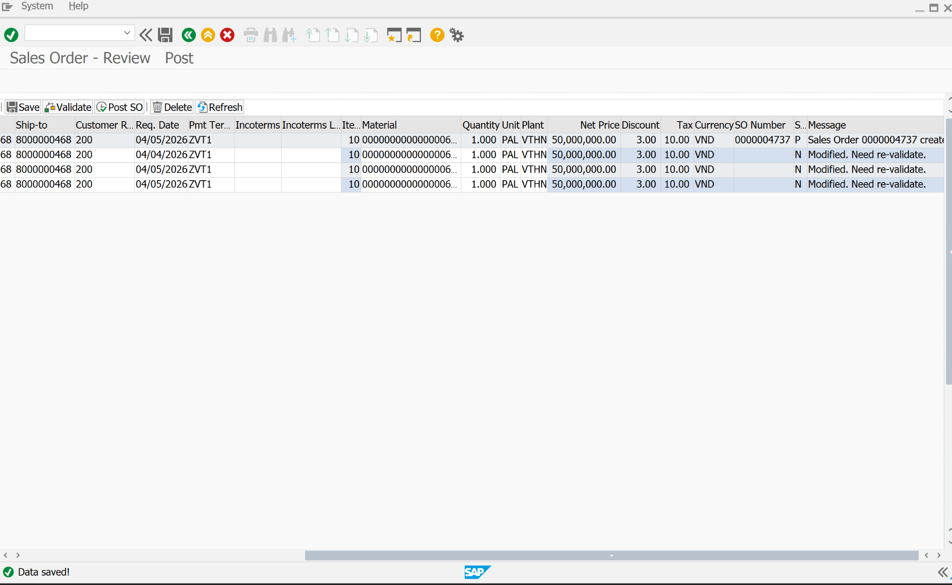
Execution Evidence | Section B4 execution screenshots / logs - save, validate, post, delete, and refresh
Use this sheet to paste screenshots, logs, DB verification output, or email evidence during SIT/UAT.

